Sheet1
Here are stats on active vs. inactive landfills in 2013 and 2040. Keep in mind this regardless of movement between stocks (e.g., potential and candidate) because that is not really in the LMOP data.

 | Potential |  | Candidate w/ Flares |  | Candidate w/o Flares |  | WtE - Elec |  | WtE - CNG |  | WtE - Other |  | Total
 | 2013 | 2040 | 2013 | 2040 | 2013 | 2040 | 2013 | 2040 | 2013 | 2040 | 2013 | 2040 | 2013 | 2040
Small Active | 1071 | 577 | 1 | 1 | 122 | 38 | 55 | 55 | 2 | 2 | 31 | 31 | 1282 | 704
Large Active | 165 | 55 | 247 | 122 | 44 | 50 | 70 | 68 | 2 | 2 | 31 | 31 | 558 | 328
Small Inactive | 55 | 549 | 0 | 0 | 31 | 80 | 97 | 97 | 1 | 1 | 31 | 31 | 215 | 759
Large Inactive | 0 | 110 | 80 | 205 | 15 | 42 | 216 | 218 | 37 | 37 | 31 | 31 | 379 | 643
 | Note: I don’t really know what to make of WtE where things are static. I am wondering given that 95% of the records say that landfills become inactive in 2100 if that is about the WtE project and we should make these inactive landfills. Thoughts?

Given issues with WtE data these stats ignore that information: |  |  |  |  |  |  |  |  |  |  |  |  |  |  | WtE - Elec
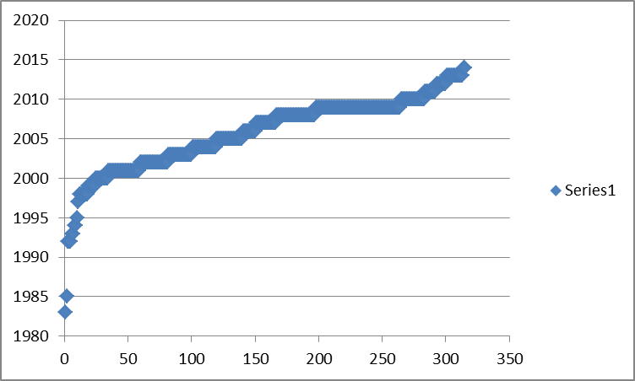
NON-WTE | 2013 | 2040 | % Change
Small Active | 1194 | 616 | -48%
Large Active | 455 | 227 | -50%
Small Inactive | 86 | 630 | 633%
Large Inactive | 95 | 357 | 277%
NON-WTE | 2013 | 2040 | % Change | CANDIDATE | 2013 | 2040 | % Change
Small | 1280 | 1245 | -3% |  | 153 | 118 | -23%
Large | 550 | 585 | 6% |  | 58 | 93 | 59%
NON-WTE | 2013 | 2040 | % Change
Active | 1649 | 843 | -49%
Inactive | 181 | 987 | 447%

Here is the basic information I have on movement between the above categories:
 | Potential à Candidate w/o flares: |  |  |  |  |  |  |  |  |  |  |  |  |  | Note: Ignore totals as there are some projects without information
 |  | 47 landfills become candidate by 2040. That is why I am using 0.1456% in “Active” landfills
 | Candidate w/o flares à Candidate w/ Flares: |  |  |  |  |  |  |  |  |  |  |  |  |  | WtE - CNG
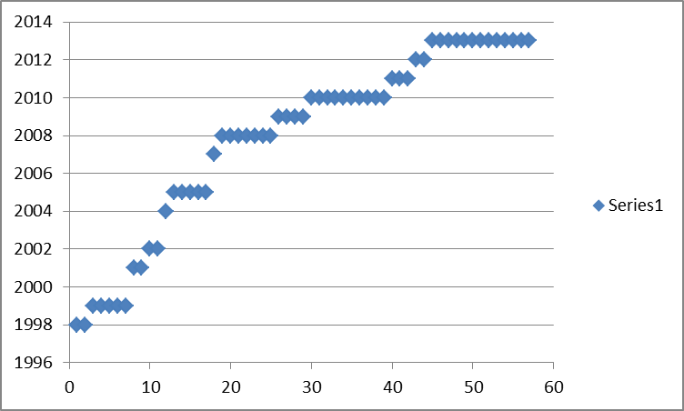
 |  | My recommendation would be to use the stats above in green on small vs. large landfills in the candidate category
 | Candidate à WtE – Elec:
 |  | The 438 elec landfills above occurred over 30 years. See trend to right. So averaging 14-15 per year.
 |  | Note: I don’t have a distinction between w/ and w/o flares, but you can presume most of this was through the flare pathway.
 | Candidate à WtE – CNG:
 |  | The 42 CNG/pipeline landfills above occurred over 15 years. Eyeballing this does not show major year to year trends so 2-3 per year?
 |  | Note: I don’t have a distinction between w/ and w/o flares, but you can presume most of this was through the flare pathway.

 |  |  |  |  |  |  |  |  |  |  |  |  |  |  | Note: Ignore totals as over estimates due to multiple projects at the same landfill.

